Read Me
Explanation/Features | Column | What | Description | Notes
1. This client tracker is intended as an example template for strong data management. It offers a space for agencies to maintain a separate list of clients who receive SOS services, outside of the portal. | A-K (black columns) | Client Information | Use to enter details about the client | CM=case manager; PO=parole officer. These can be helpful contacts for locating clients
2. A description of each column is included in this "Read Me" tab. | L-M (purple columns) | SUPRT-A Baseline Assessment | Use to track completion of the SUPRT-A baseline assessment | The window for completing the SUPRT-A baseline assessment is +/- 30 days from intake.
3. The "Tracker" tab can be customized based on local funding and needs, including adding columns for additional tracking. There are four rows of sample data that can be deleted. | N-P (green columns) | SUPRT-A/C 6-month Ressessment | Use to track completion of the SUPRT-A & C 6-month reassessment | After entering the SUPRT-A baseline date, columns M and N automatically calculate the reassessment window. To preserve the calculations, do not overwrite the formulas. Note the window is now calculated in days.
4. Three relevant screenshots from the SOS SUPRT-A FAQs have also been included. Please refer to full SAMHSA guidance for additional details. | Q-S (blue columns) | SUPRT-A/C Annual Ressessment | Use to track completion of the SUPRT-A & C annual assessment | After entering the SUPRT-A baseline, columns P and Q automatically calculate the annual reassessment window. Note the window is calculated in days.
Note: All SOS SUPRT assessment data must be entered in the Ohio Department of Behavioral Health online iPortal. | T (orange columns) | Closeout Assessment | Use to track completion of the SUPRT-A closeout assessment | A closeout record is due within 30 days of a client's end of episode of care. Once a closeout assessment has been entered, you do not need to complete future 6-month reasssessment or annual assessment (SUPRT-A FAQ Q38). In that case, you could track this by typing "NOT NEEDED." See additional note from SUPRT-A FAQ Q39.

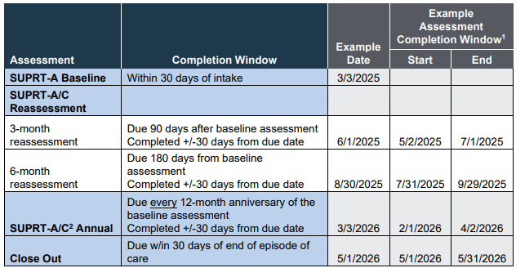
Screenshot 1. SUPRT-A/C Data Collection Requirements. Source: SUPRT-A Frequently Asked Questions. October 2025, v1.1. Question 25. Available at www.ohiososevaluation.org/Resources /Documents
Note: 3-month assessment does not apply in Ohio.

Screenshot 2. From SUPRT-A Frequently Asked Questions (FAQs). Source: SUPRT-A Frequently Asked Questions. October 2025, v1.1. Question 38. Available at www.ohiososevaluation.org/Resources /Documents

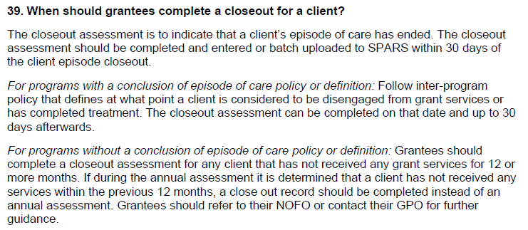
Screenshot 3. From SUPRT-A Frequently Asked Questions (FAQs). Source: SUPRT-A Frequently Asked Questions. October 2025, v1.1. Question 38. Available at www.ohiososevaluation.org/Resources /Documents

